Sheet1
w=150 | 9 | 2.7432 | 0.74
h =112 | 12 | 3.6576 | 0.7
 | 15 | 4.572 | 0.6
 | 18 | 5.4864 | .5
 | 21 | 6.4008 | .45
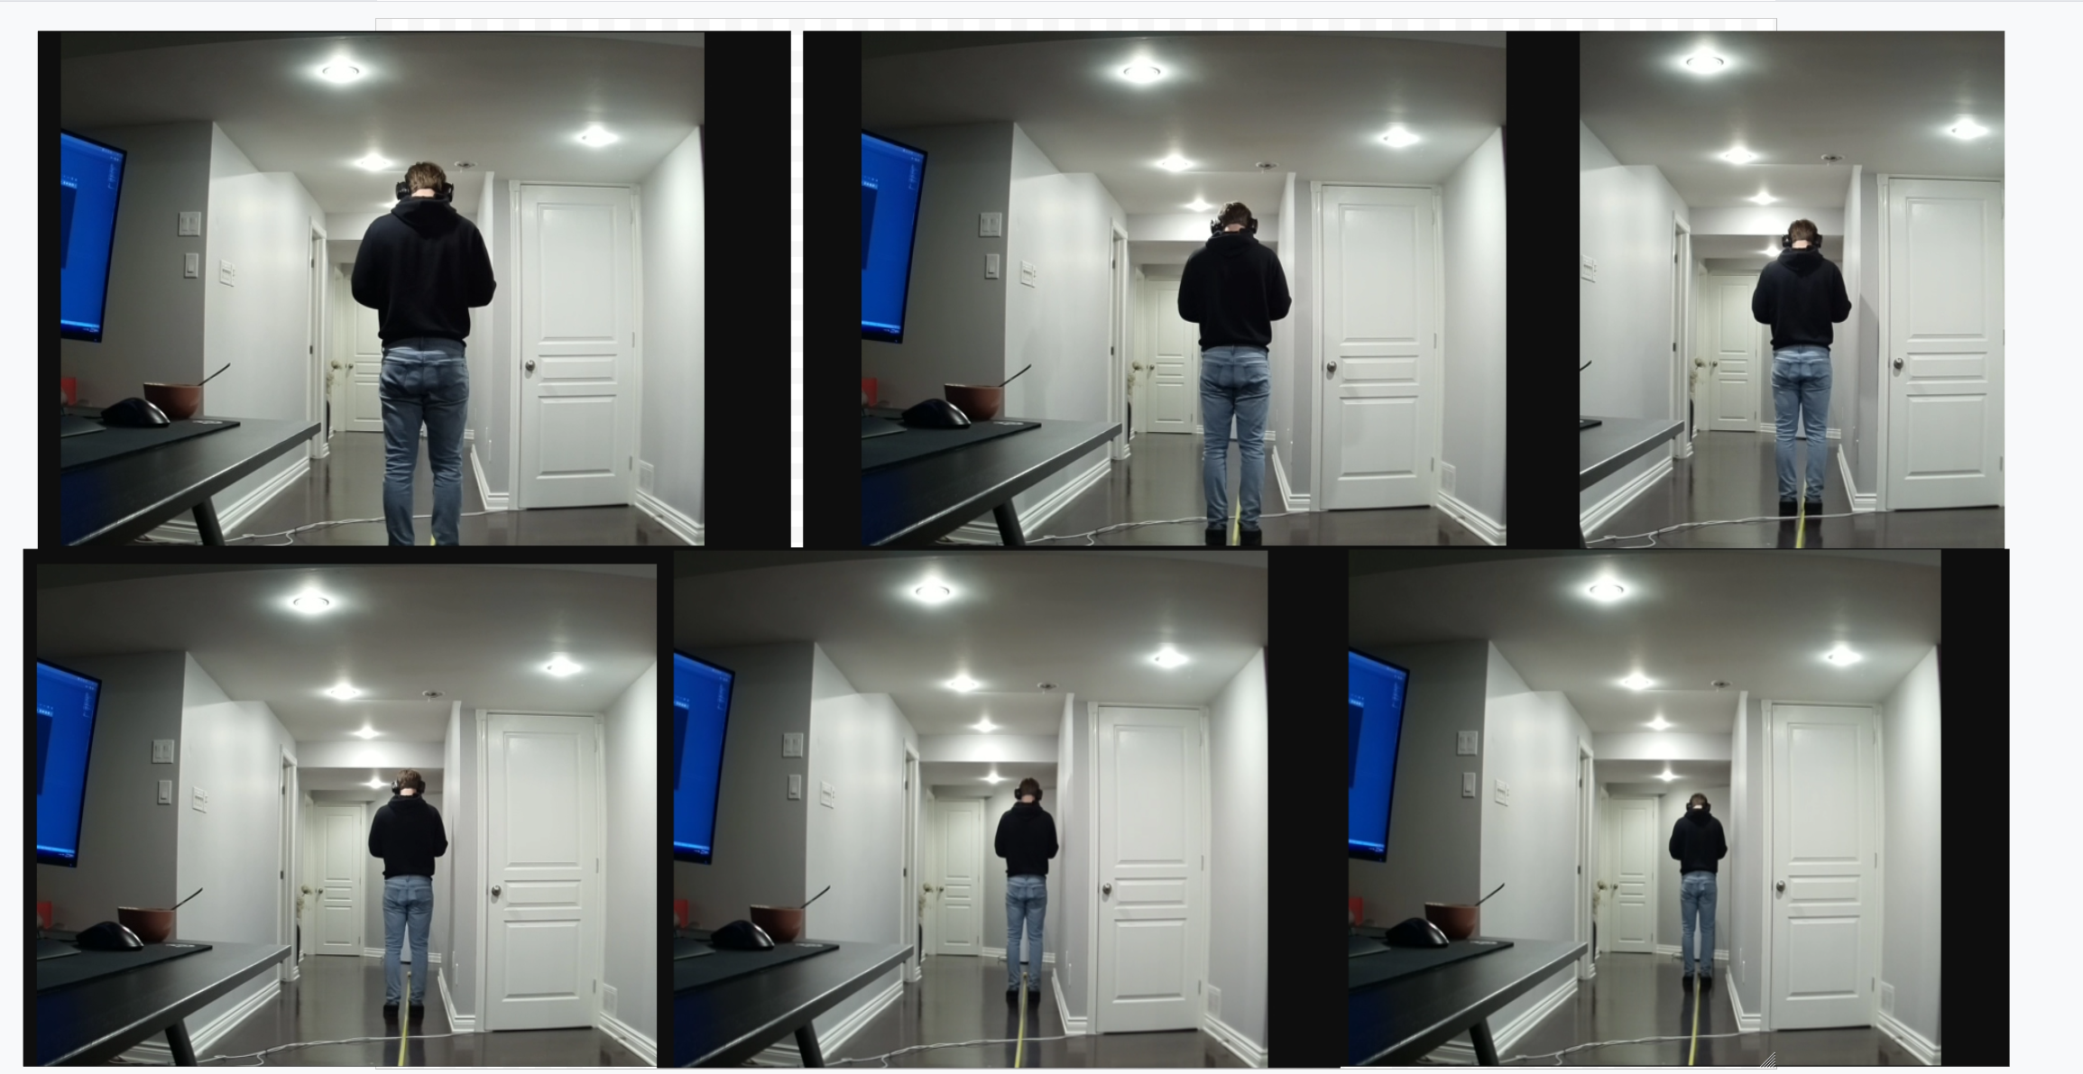
 | 24 | 7.3152 | .4

 |  |  |  | 15 | 927

